Sheet1
School | 2013-14 | 2014-15 | 2015-16 | 2016-17 | 2017-18
District Total | 13% | 12% | 13% | 13% | 12%
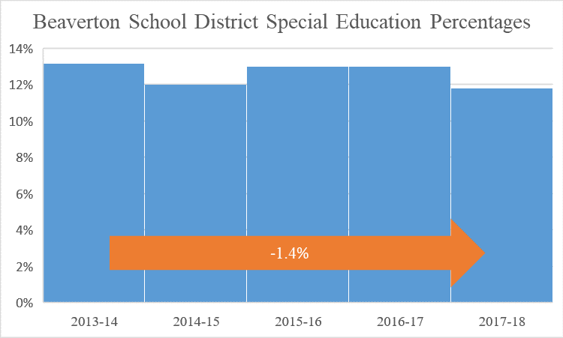

School | 2013-14 | 2014-15 | 2015-16 | 2016-17 | 2017-18
Aloha | 17% | 16% | 16% | 18% | 16%
ACMA | 11% | 10% | 9% | 8% | 9%
Beaverton | 14% | 14% | 16% | 15% | 14%
Community School | 39% | 39% | 43% | 41% | 30%
Health and Science | 11% | 11% | 11% | 10% | 10%
ISB High | 3% | 3% | 2% | 1% | 2%
Mountainside | * | * | * | * | 11%
Science & Technology | 17% | 18% | 16% | 8% | 9%
Southridge | 13% | 13% | 11% | 12% | 12%
Sunset | 13% | 12% | 12% | 12% | 11%
Westview | 11% | 11% | 11% | 11% | 11%
All High Schools | 13% | 13% | 13% | 14% | 12%

School | 2013-14 | 2014-15 | 2015-16 | 2016-17 | 2017-18
Cedar Park | 15% | 14% | 15% | 15% | 15%
Conestoga | 18% | 17% | 17% | 15% | 13%
Five Oaks | 16% | 17% | 19% | 15% | 14%
Highland Park | 16% | 15% | 15% | 13% | 13%
Meadow Park | 18% | 16% | 15% | 17% | 15%
Mountain View | 20% | 21% | 21% | 19% | 18%
Stoller | 10% | 10% | 7% | 7% | 7%
Whitford | 15% | 17% | 16% | 16% | 14%
All Middle Schools | 15% | 15% | 14% | 15% | 13%

School | 2013-14 | 2014-15 | 2015-16 | 2016-17 | 2017-18
Aloha-Huber Park, K-8 | 10% | 10% | 10% | 11% | 11%
Barnes | 17% | 14% | 14% | 17% | 12%
Beaver Acres | 13% | 15% | 11% | 14% | 13%
Bethany | 8% | 8% | 8% | 9% | 9%
Bonny Slope | 8% | 8% | 8% | 8% | 6%
Cedar Mill | 12% | 11% | 10% | 9% | 10%
Chehalem | 13% | 16% | 17% | 15% | 13%
Cooper Mtn. | 13% | 14% | 16% | 14% | 14%
Elmonica | 10% | 12% | 12% | 11% | 10%
Errol Hassell | 14% | 16% | 16% | 16% | 15%
Findley | 7% | 6% | 6% | 5% | 5%
Fir Grove | 12% | 13% | 13% | 14% | 12%
Greenway | 20% | 22% | 21% | 17% | 14%
Hazeldale | 13% | 14% | 15% | 16% | 20%
Hiteon | 15% | 15% | 16% | 16% | 15%
Jacob Wismer | 6% | 5% | 4% | 4% | 5%
Kinnaman | 15% | 15% | 13% | 14% | 15%
McKay | 20% | 21% | 23% | 25% | 23%
McKinley | 15% | 13% | 12% | 13% | 11%
Montclair | 7% | 7% | 10% | 10% | 10%
Nancy Ryles | 9% | 9% | 7% | 8% | 8%
Oak Hills | 15% | 12% | 14% | 11% | 9%
Raleigh Hills, K-8 | 11% | 11% | 11% | 13% | 13%
Raleigh Park | 10% | 12% | 13% | 16% | 17%
Ridgewood | 16% | 16% | 14% | 16% | 17%
Rock Creek | 15% | 15% | 13% | 14% | 11%
Sato | * | * | * | * | 9%
Scholls Heights | 13% | 14% | 17% | 15% | 14%
Sexton Mtn. | 16% | 14% | 12% | 13% | 11%
Springville, K-8 | 12% | 11% | 10% | 8% | 12%
Terra Linda | 14% | 14% | 15% | 16% | 16%
Vose | 11% | 10% | 10% | 10% | 12%
West Tualatin View | 17% | 15% | 15% | 14% | 14%
William Walker | 17% | 15% | 17% | 15% | 16%
All Elementary Schools | 13% | 12% | 12% | 13% | 12%

School | 2013-14 | 2014-15 | 2015-16 | 2016-17 | 2017-18
Arco Iris Spanish Immersion School | 8% | 7% | 5% | 3% | 3%
Hope Chinese Charter School | 6% | 10% | 7% | 6% | 6%
All Charter Schools | 7% | 8% | 6% | 5% | 4%

chart
-1.4%

 | 2012-13 | 2013-14 | 2014-15 | 2015-16 | 2016-17 | 2017-18
District Total | 13% | 13% | 12% | 13% | 13% | 12%

 | 13.2 | 11.8 | 1.4

